Content
 | 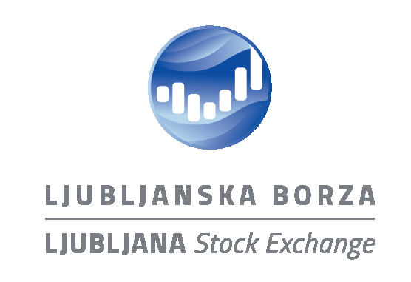

 | Ljubljana Stock Exchange - Regulated Market
 | Trading Summary

 | 2024-06-01 - 2024-06-28

Content

Summary
Indices
Top 10 stocks
Orderbook Trading of Stocks
Orderbook Trading of Bonds
Orderbook Trading of Structured Products
Block Trading

Contact:
upravljanje-trgov@ljse.si
phone: + 386 1 471 0202

